Sheet1
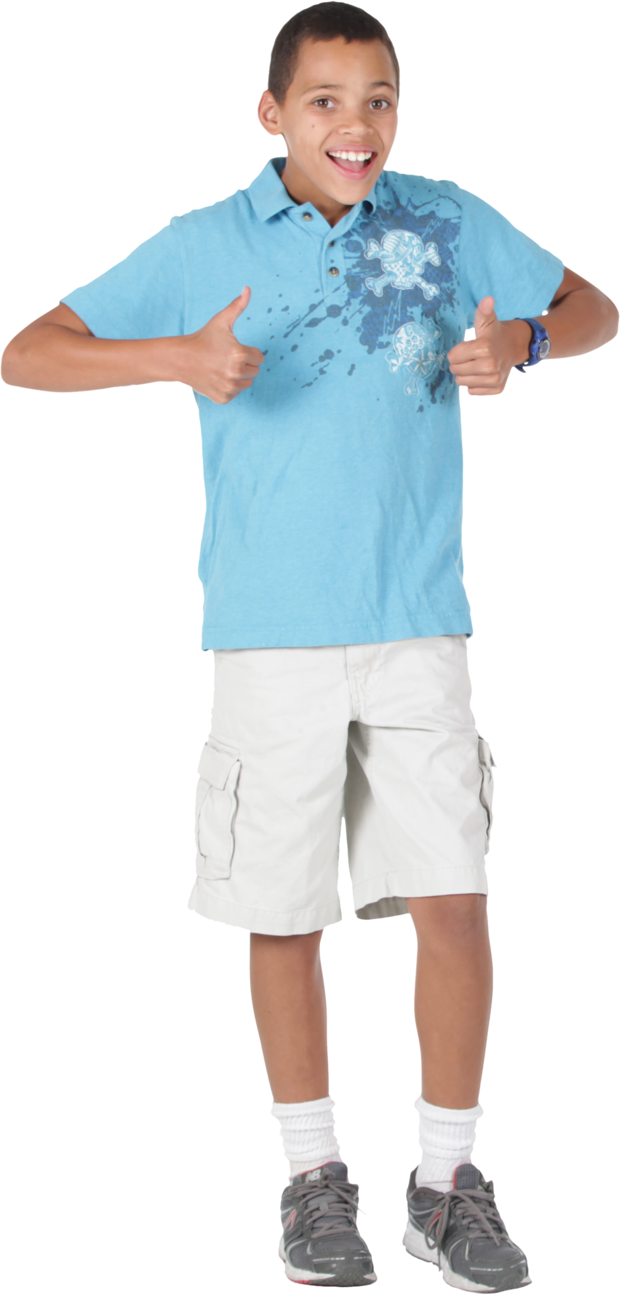
Words | Answer Expected
education | e1du2ca3ti4o5n
bats | ba1ts
audiovisual | a1u2di3o4vi5su6a7l
alien | a1li2e3n
rhythms | rhythms
osteoporosis | o1ste2o3po4ro5si6s
aeronautics | a1e2ro3na4u5ti6cs
uncomplimentary | u1nco2mpli3me4nta5ry

Replace the vowels with vowel + order of occurrence.

